Cover
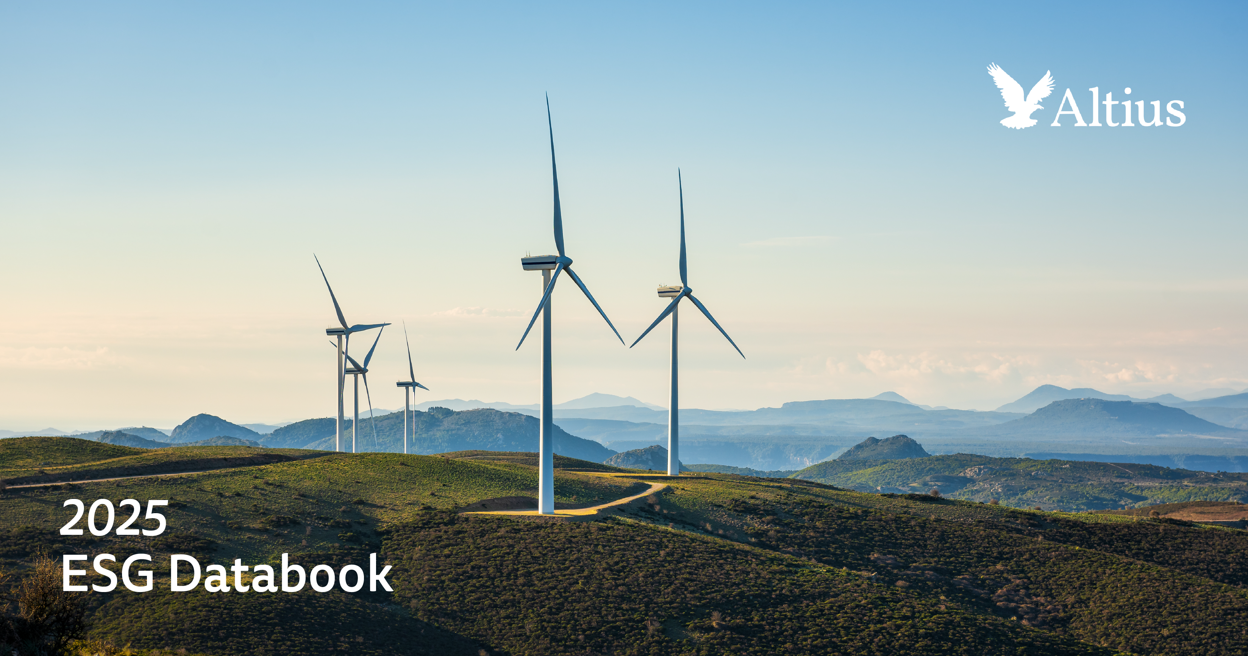

Overview
Home | References |  | Environmental | Health & Safety | Workforce | Governance | GRI & SASB

Altius Minerals 2025 Sustainability Databook
Overview

Topic |  |  |  |  |  | Location | UN SDGs
Governing Purpose |  | Altius’ purpose is to create long-term value by investing in royalty and streaming interests that support sustainable resource development and the global energy transition. |  |  |  | Altius SR, About Altius, pg. 2
Oversight |  | The Board of Directors comprises 9 members, with 78% independent and 33% women. |  |  |  | Director Independence & Diversity | 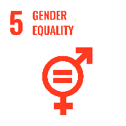
Stakeholder Engagement |  | Altius engages regularly with investors, operators, employees, and communities through reporting, site visits, and community programs. |  |  |  | Altius SR, Climate Strategy Oversight and Impacts, pg. 43 | 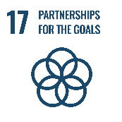
Proxy Engagement |  | Voting participation rate 74% in 2025 AGM. |  |  |  | Altius SR, ESG Governance, pg. 28
Ethical Behavior (Anti-Corruption) |  | Altius maintains a Code of Conduct, with training provided annually to all employees and starting in 2025, an annual attestation requirement. No confirmed incidents of corruption since inception. |  |  |  | Compliance & Compliance Breaches
Risk & Opportunity Oversight |  | The Board Governance and Sustainability Committee oversees ESG risks quarterly, including climate-related and emerging risks. |  |  |  | Altius SR, Risk Management, pg. 38 | 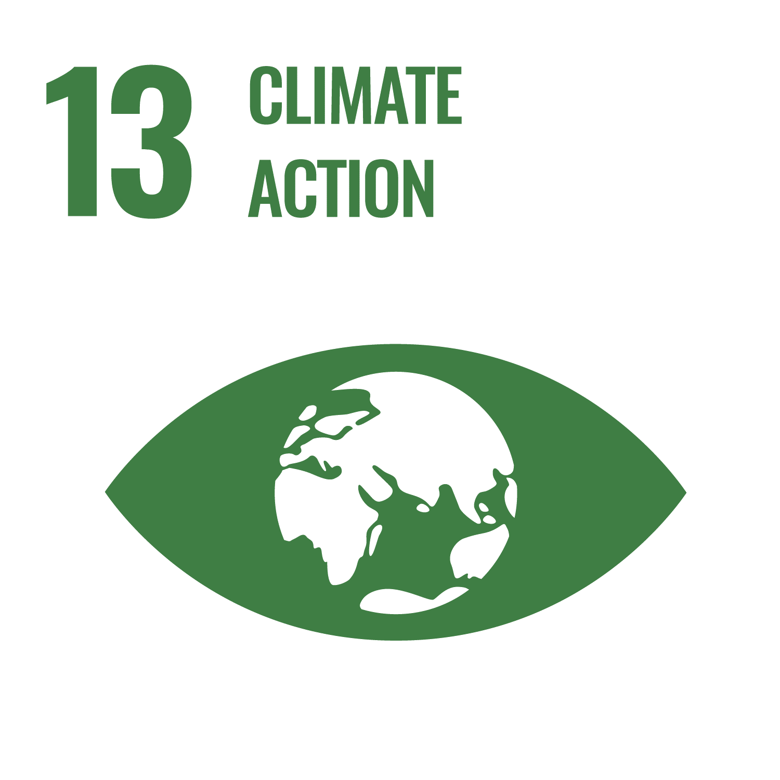
GHG Emissions (Scope 1, 2, 3) |  | Scope 1 = 0 (royalty business model). Scope 2 = 2.2t tCO₂e (offices). Scope 3 = 18,364tCO₂e (mainly Cat 15 Financed Emissions reported from operators where available). |  |  |  | Emissions | 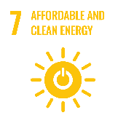
TCFD Implementation |  | In preparation for transition to ISSB standards, Altius continues to report under TCFD guidelines |  |  |  | GRI & SASB
Biodiversity |  | Altius does not operate mines directly. Environmental impacts are monitored through royalty counterparties. Where disclosed, operators’ biodiversity and reclamation performance is tracked. |  |  |  | Altius SR, Operator Disclosures, pg. 62 | 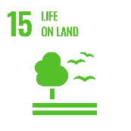
Water |  | Direct water use is limited to corporate offices. Operator performance on withdrawals, consumption, and discharge is tracked through public disclosures. |  |  |  | Altius SR, Operator Disclosures, pg. 62 | 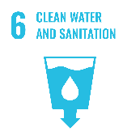
Dignity & Equality |  | Altius tracks workforce diversity. In 2024, 33% of employees were women; 25% of leadership roles were held by women. All diversity stats and breakdowns disclosed in Databook. |  |  |  | Diversity |  | 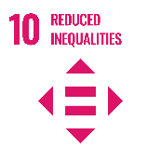
Health & Safety |  | No employee or contractor fatalities reported in 2024. TRIF = 0. LTIF = 0. Altius awarded Safe Everyday Award every year since 2008 except for 1 year (2011) due to a lost time incident with a contractor |  |  |  | Safety Indicators & Injury Statistics | 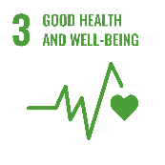
Training Provided |  | Employees received an average of 34 hours of training in 2024. |  |  |  | Training | 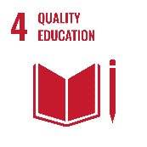
Living Wage |  | Human Rights policy updated in 2025 to include living wage provisions, 100% of FTEs in 2024 paid at or above provincial living wage schedule |  |  |  | Labour Relations | 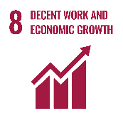
Child, Forced or Compulsory Labor |  | Altius prohibits child, forced, or compulsory labor through its Code of Conduct and supplier standards. No incidents were reported since inception. |  |  |  | Labour Relations
Freedom of Association & Collective Bargaining |  | Altius recognizes employees’ rights to freedom of association and collective bargaining. Coverage is 100% of workforce. |  |  |  | Labour Relations
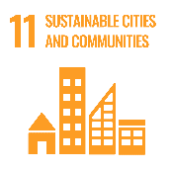
Employment & Wealth Generation |  | Altius employed 18 people directly in 2024. Contractor numbers are reported separately where available. |  |  |  | Employees
Community & Social Vitality |  | Altius contributed $91,000 to community programs, partnerships, and donations, focused on local and partner communities in Newfoundland and Labrador. |  |  |  | Donations

